write off
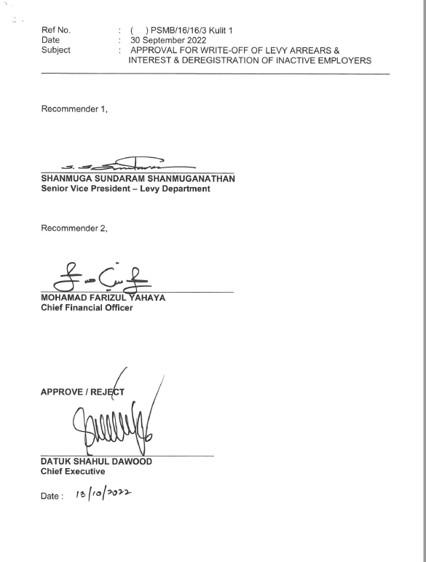
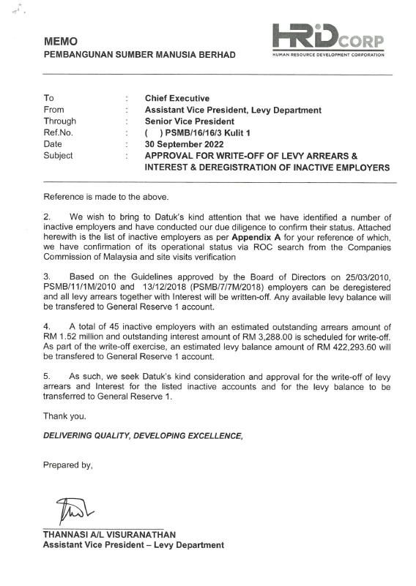
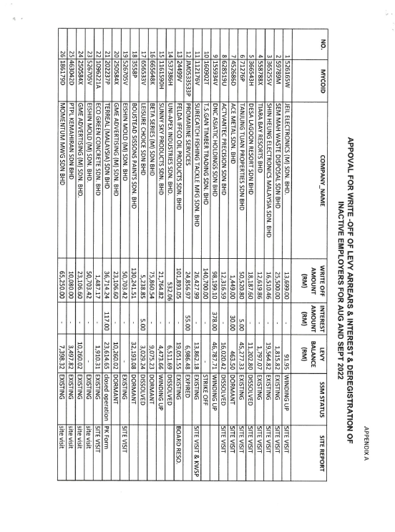
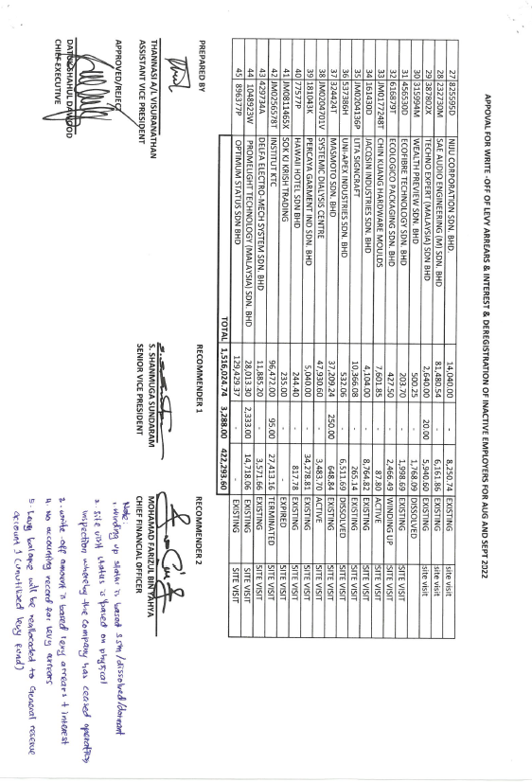
 |  | Write off

 |  | Automatically capture the current amount
 | Mycoid | Levy Amount | Interest Amount | Levy balance | Status | Remarks
 | 1
 | 2
 | 3
 | 4

 | Prepared by |  | Recommender 1
 |  |  | Recommender 2

 | Approved/ Reject
 | Date

Data uploaded through sytem |  |  | → | Recommender 1 & 2 |  | → | Approval by CE | → | System auto-delete all the arrears | → | Notification to Levy officer & ERD for deregistration and levy transfer.

